2026 Draft Order
 | 2026 DRAFT |  |  |  |  |  |  |  |  | EXPANSION DRAFT |  |  | XTRA ROUND
 |  |  | 1 | 2 | 3 | 4 | 5 | 6 | 7 | 8 | 9 | 10 | 11 |  | TOTAL PICKS | W/EXP
 |  | 1 | AA | AA | AX | SKE | MDWL | MDWL | MDWL | MDWL | MDWL | MDWL | MDWL |  | 11 | 17

 |  | 2 | WAR | WAR | WAR | WAR | WAR | WAR | WAR | WAR | WAR | WAR | REV |  | 9 | 12

 |  | 3 | BRV | BRV | BRV | BRV | BRV | BRV | BRV | BRV | BRV | BRV | BRV |  | 8 | 11

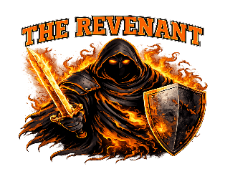 |  | 4 | AX | REV | REV | REV | REV | REV | MDWL |  |  |  | REV |  | 7 | 10

 |  | 5 | AX | AA | AX | AX | SKE | WAR | MDWL | REV | REV | REV | MDWL |  | 7 | 7

 |  | 6 | SKE | SKE | SKE | SKE | SKE | SKE | SKE | SKE | SKE | SKE | SKE |  | 10 | 13

 |  | 7 | MAD | MAD | MAD | MAD | MAD | MAD | MAD | MAD | MAD | MAD | MAD |  | 8 | 11

 |  | 8 | DBOOS | AX | DBOOS | DBOOS | DBOOS | DBOOS | DBOOS | DBOOS | DBOOS | DBOOS | DBOOS |  | 7 | 10

 |  | 9 | WAR | AX | AA | AA | MDWL | MDWL | MDWL | MDWL | MDWL | MDWL | MDWL | 13 | 5 | 5
 |  |  | 9 | 18 | 27 | 36 | 45 | 54 | 63 | 71 | 79 | 87 | 96 |  | 72 | 96
 |  |  |  |  |  |  |  |  |  |  |  |  |  |  |  |  | .
 | 2027 DRAFT |  |  |  |  |  |  |  |  |  | TOTAL PICKS
 |  |  | 1 | 2 | 3 | 4 | 5 | 6 | 7 | 8
 |  | 1 | MDWL | AA | MDWL | MDWL | AX | MDWL | AA | AA | 6

 |  | 2 | WAR | WAR | WAR | WAR | WAR | WAR | WAR | WAR | 8

 |  | 3 | BRV | BRV | BRV | BRV | BRV | BRV | BRV | BRV | 8

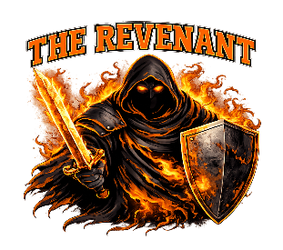 |  | 4 | MDWL | REV | REV | REV | REV | REV | REV | REV | 7

 |  | 5 | AX | AX | AX | AX | MDWL | AX | AX | AX | 9

 |  | 6 | SKE | SKE | SKE | SKE | SKE | SKE | SKE | SKE | 8

 |  | 7 | MAD | MAD | MAD | MAD | MAD | MAD | MAD | MAD | 8

 |  | 8 | DBOOS | DBOOS | DBOOS | DBOOS | DBOOS | DBOOS | DBOOS | DBOOS | 8

 |  | 9 | AA | AX | AA | AA | AA | AA | AA | AA | 10
 |  |  | 9 | 18 | 27 | 36 | 45 | 54 | 63 | 72 | 72

Playoffs
 |  |  |  | 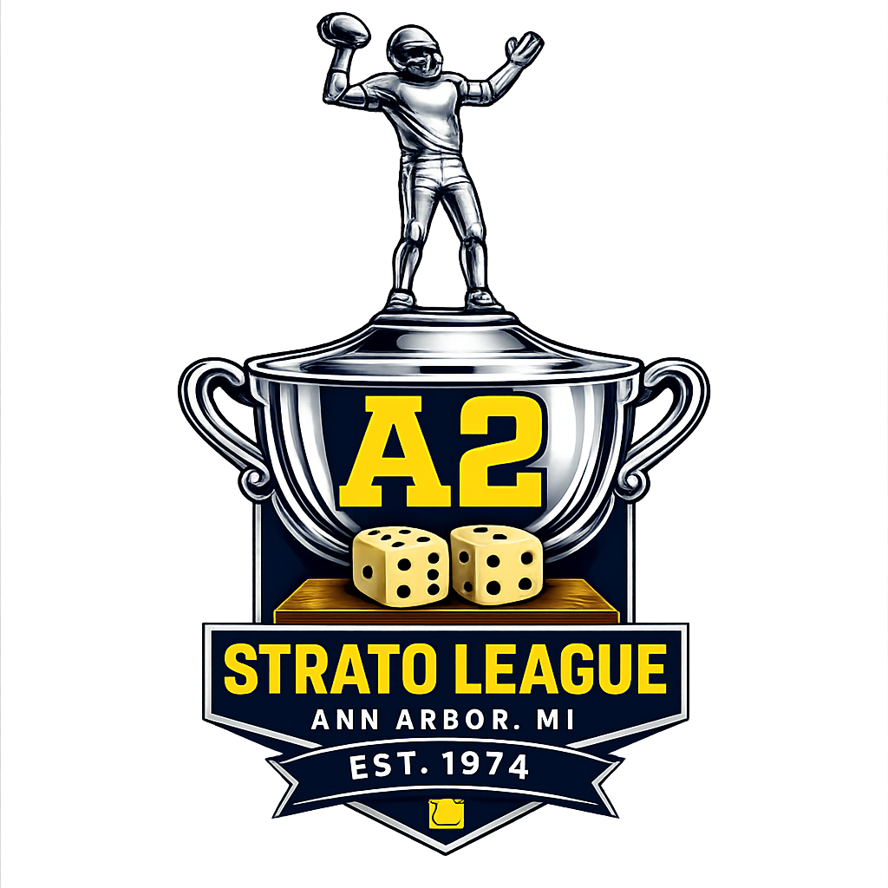
A2 STRATO FOOTBALL — PLAYOFFS

Seeds
Seed | Team
1 | #REF!
2 | WARRIUZZ
3 | SKELETORS
4 | REVENANT
5 | MADWOLVES
6 | MADDOGS

Wildcard Round
Home (3) | SKELETORS | Score | Winner
Away (6) | MADDOGS | Score

Wildcard Round
Home (4) | REVENANT | Score | Winner
Away (5) | MADWOLVES | Score

Chilli Bowl — Semifinals
Home (1) | #REF! | Score | Winner
Away (LWC) | 0 | Score

Home (2) | WARRIUZZ | Score | Winner
Away (HWC) |  | Score

STRATO BOWL — Championship
Team A | 0 | Score | STRATO BOWL CHAMPION
Team B | 0 | Score

Team Logos
 |  | 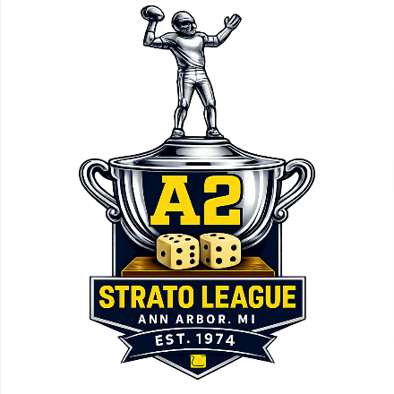


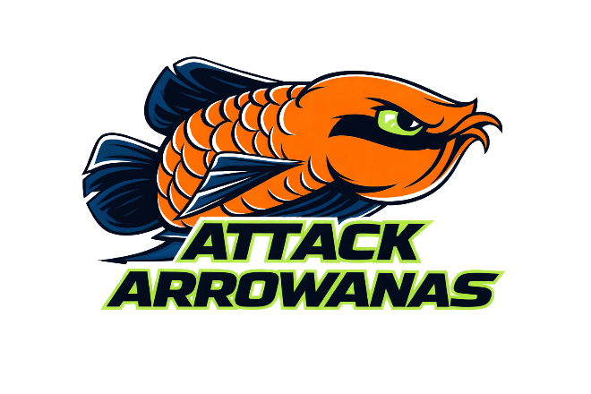

 | AROWANAS |  | AXMEN

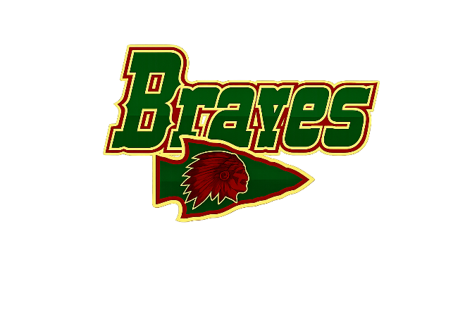

 | BRAVES |  | MADDOGS



 | DOUBLE OO'S |  | REVENANT
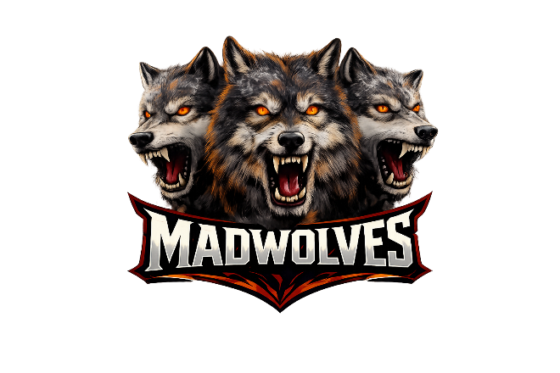


 | MADWOLVES |  | WARRIUZZ
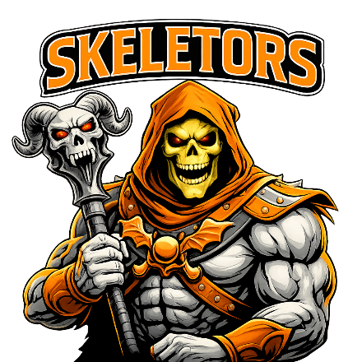

 | SKELETORS

Helmets
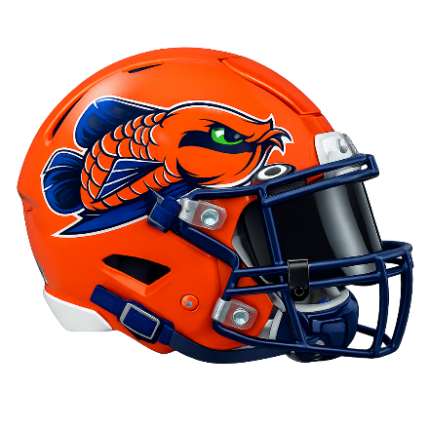 |  | 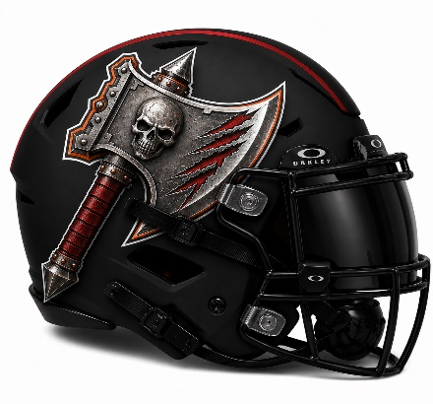

 | AROWANAS |  | AXMEN
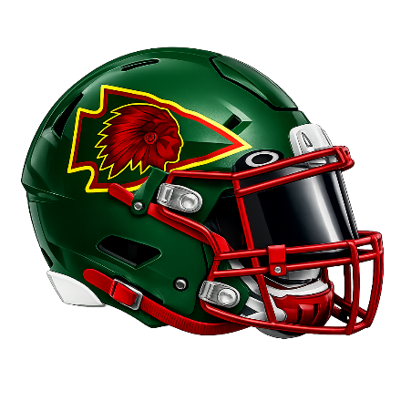


 | BRAVES |  | MADDOGS

 |  | 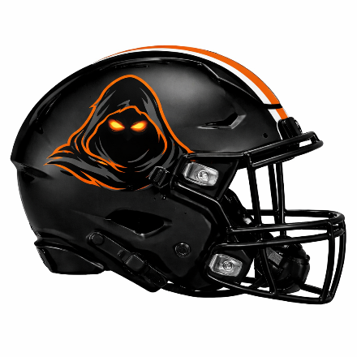

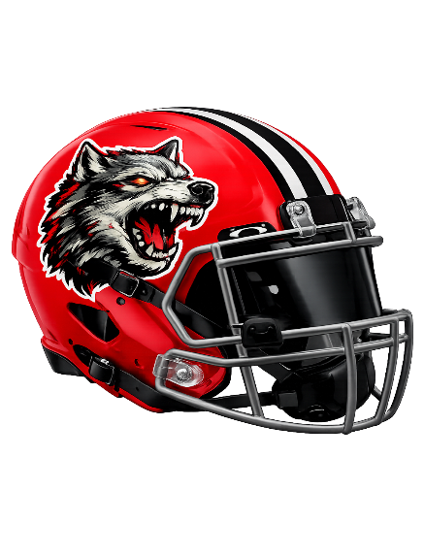
 | DOUBLE OO'S |  | REVENANT

 |  | 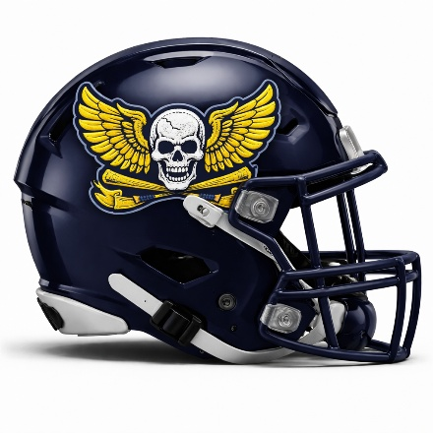

 | MADWOLVES |  | WARRIUZZ


 | SKELETORS

