Team Logos
 |  | 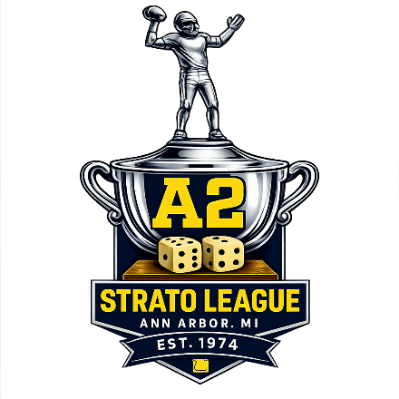

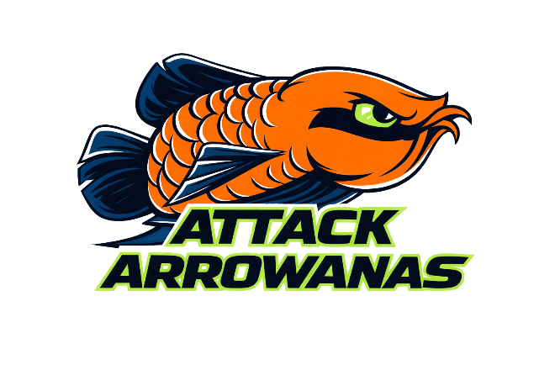 |  |  | 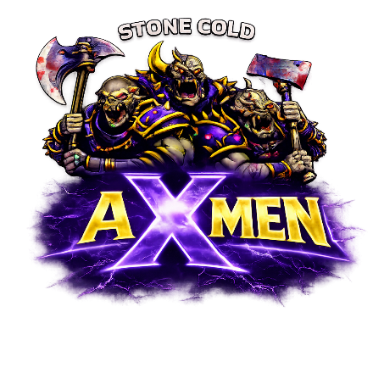

 | AROWANAS |  |  | AXMEN

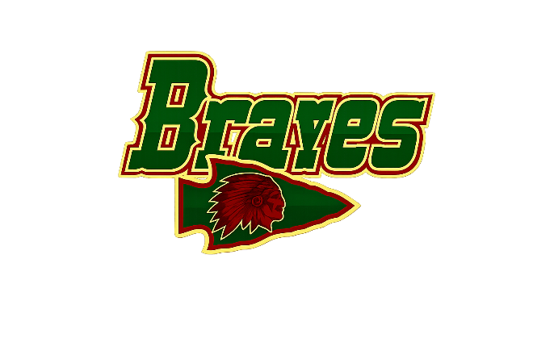

 | BRAVES |  |  | MADDOGS
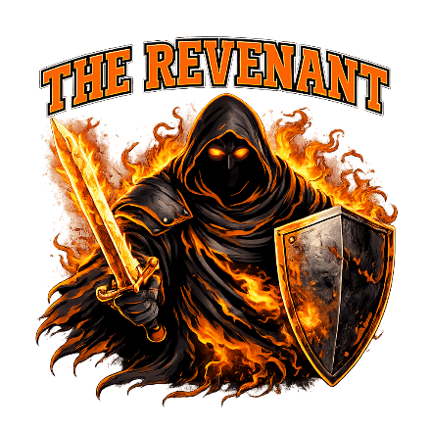

 | DOUBLE OO'S |  |  | REVENANT
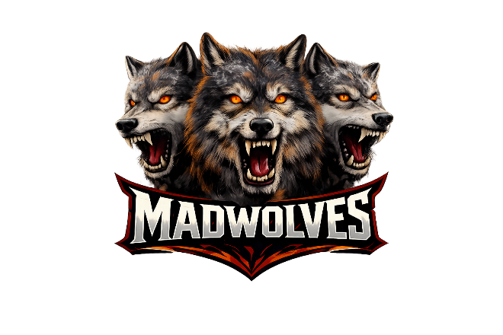

 | MADWOLVES |  |  | WARRIUZZ
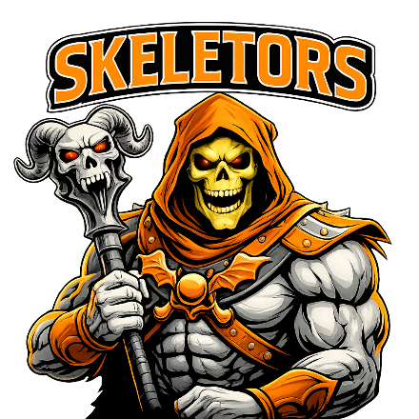

 | SKELETORS

Helmets
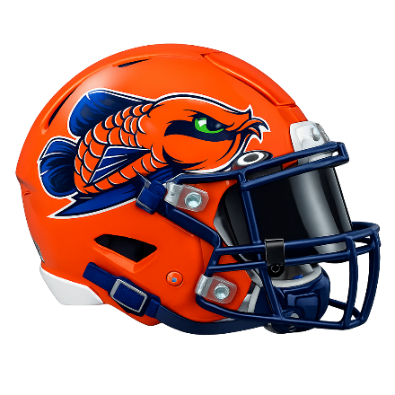 |  | 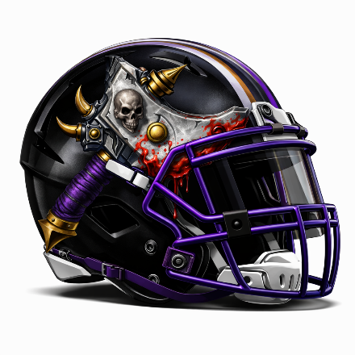

 | AROWANAS |  | AXMEN
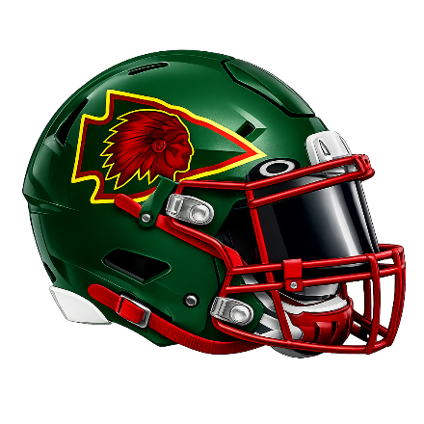
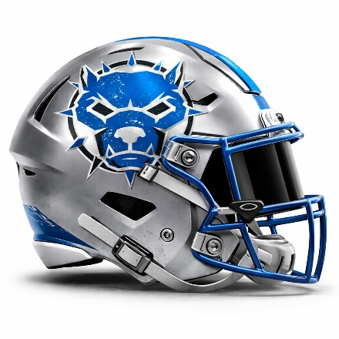

 | BRAVES |  | MADDOGS

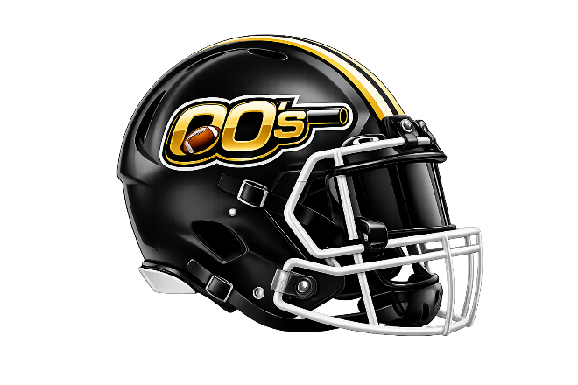 |  | 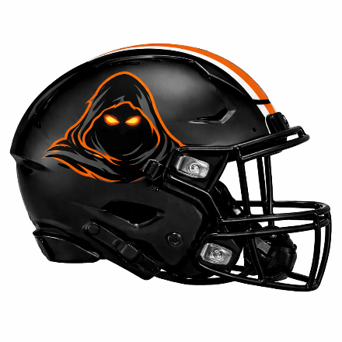

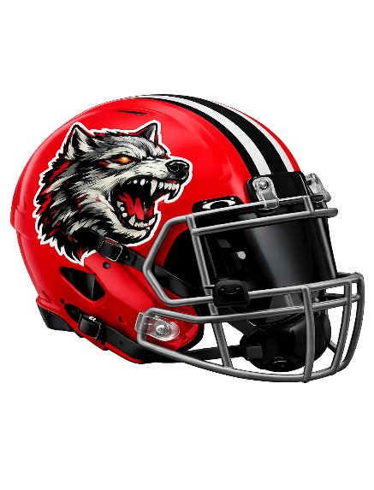
 | DOUBLE OO'S |  | REVENANT

 |  | 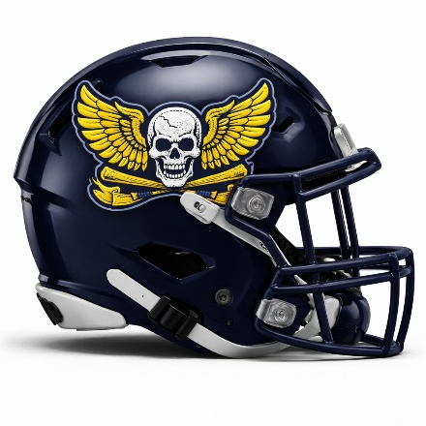

 | MADWOLVES |  | WARRIUZZ
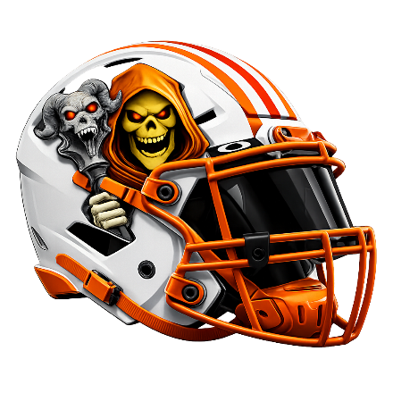

 | SKELETORS

Playoffs
 |  |  |  | 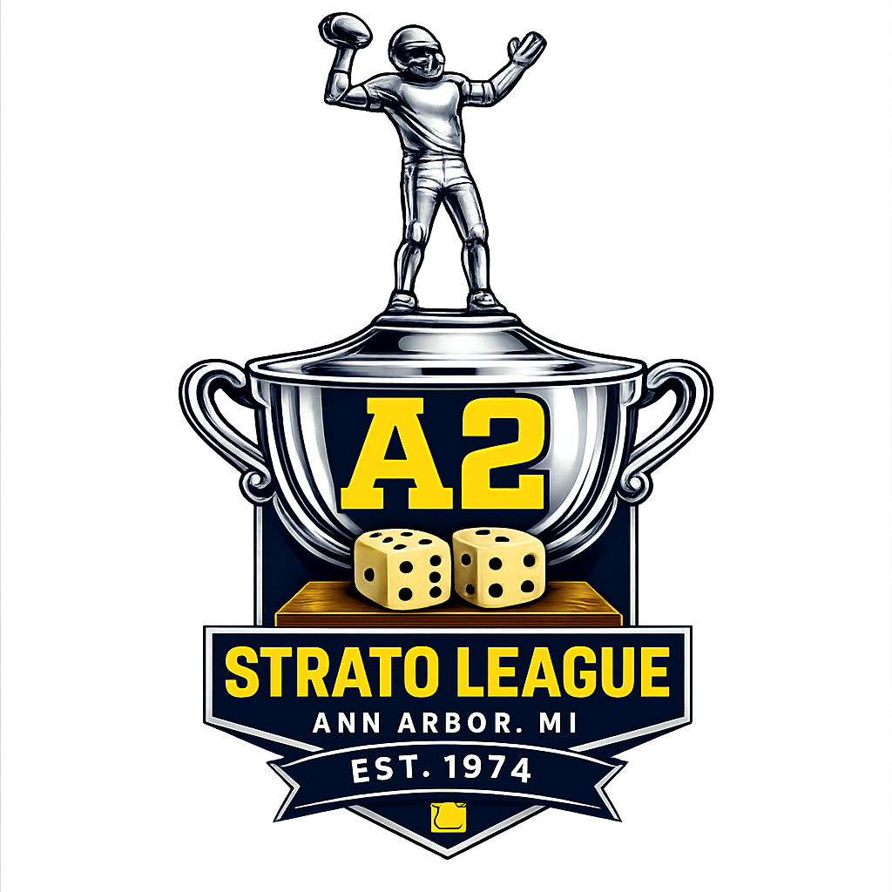
A2 STRATO FOOTBALL — PLAYOFFS

Seeds
Seed | Team
1 | #REF!
2 | WARRIUZZ
3 | SKELETORS
4 | REVENANT
5 | MADWOLVES
6 | MADDOGS

Wildcard Round
Home (3) | SKELETORS | Score | Winner
Away (6) | MADDOGS | Score

Wildcard Round
Home (4) | REVENANT | Score | Winner
Away (5) | MADWOLVES | Score

Chilli Bowl — Semifinals
Home (1) | #REF! | Score | Winner
Away (LWC) | 0 | Score

Home (2) | WARRIUZZ | Score | Winner
Away (HWC) |  | Score

STRATO BOWL — Championship
Team A | 0 | Score | STRATO BOWL CHAMPION
Team B | 0 | Score

2026 Draft Order
 | 2026 DRAFT
 |  |  | 1 | 2 | 3 | 4 | 5 | 6 | 7 |  | SUPPLEMENTAL DRAFT
 |  | 1 | MDWL | MDWL | MDWL | SKE | MDWL | AA | AA | 6 | MDWL | MDWL | MDWL | 3
 |  | 2 | WAR | WAR | WAR | WAR | WAR | DBOOS | WAR | 9 | WAR | WAR | WAR | 3
 |  | 3 | BRV | BRV | BRV | BRV | BRV | BRV | BRV | 7 | BRV | BRV | BRV | 3
 |  | 4 | REV | REV | REV | REV | REV | REV | REV | 7 |  |  |  | 0
 |  | 5 | AX | AX | AX | AX | SKE | AX | AX | 8 | AA | AA | AA | 0
 |  | 6 | SKE | SKE | SKE | SKE | SKE | SKE | SKE | 9 | SKE | SKE | SKE | 3
 |  | 7 | MAD | MAD | MAD | MAD | MAD | MAD | MAD | 7 | MAD | MAD | MAD | 3
 |  | 8 | DBOOS | MDWL | DBOOS | DBOOS | DBOOS | WAR | DBOOS | 6 | DBOOS | DBOOS | DBOOS | 3
 |  | 9 | WAR | AX | AX | AA | AA | MDWL | WAR | 4 | AA | AA | AA | 6
 |  |  | 9 | 18 | 27 | 36 | 45 | 54 | 63 | 63 | 71 | 79 | 87 | 87

 | 2027 DRAFT
 |  |  | 1 | 2 | 3 | 4 | 5 | 6 | 7
 |  | 1 | MDWL | MDWL | MDWL | MDWL | MDWL | AA | MDWL | 7
 |  | 2 | WAR | WAR | WAR | WAR | WAR | WAR | WAR | 7
 |  | 3 | BRV | BRV | BRV | BRV | BRV | BRV | BRV | 7
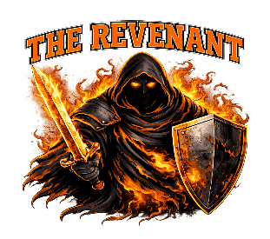 |  | 4 | REV | REV | REV | REV | REV | REV | REV | 7
 |  | 5 | AX | AX | AX | AX | MDWL | AX | AX | 6
 |  | 6 | SKE | SKE | SKE | SKE | SKE | SKE | SKE | 7
 |  | 7 | MAD | MAD | MAD | MAD | MAD | MAD | MAD | 7
 |  | 8 | DBOOS | DBOOS | DBOOS | DBOOS | DBOOS | DBOOS | DBOOS | 7
 |  | 9 | AA | AA | AA | AA | AA | AA | AA | 8
 |  |  | 9 | 18 | 27 | 36 | 45 | 54 | 63 | 63

